Introduction

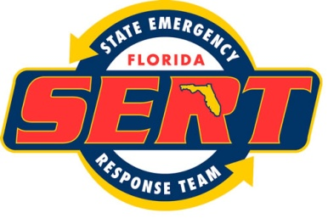

STATE OF FLORIDA: DIVISION OF EMERGENCY MANAGEMENT
LOCAL MITIGATION STRATEGY (LMS) PLAN REVIEW TOOL

 | KEY
 |  | Required field
 |  | Recommended / Optional field
 |  | Auto-populated. Do not attempt to edit.
 |  | Results fields. Do not attempt to edit.

